Script
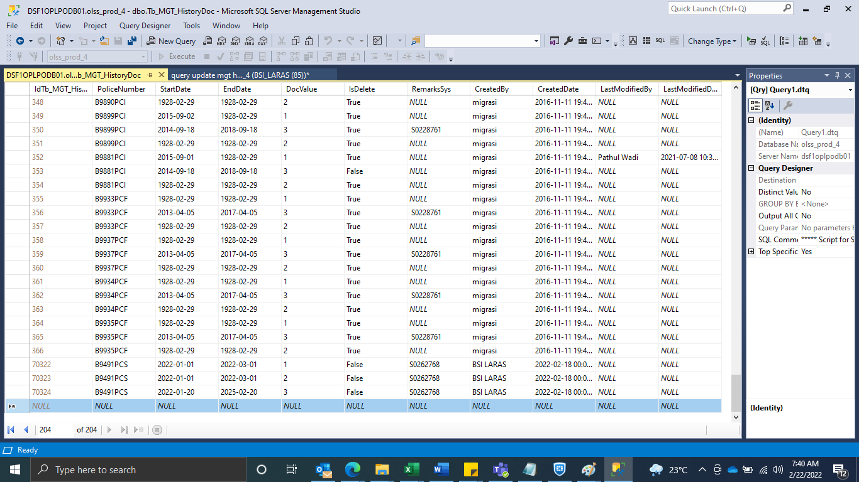
INSERT Tb_MGT_HistoryDoc

SS
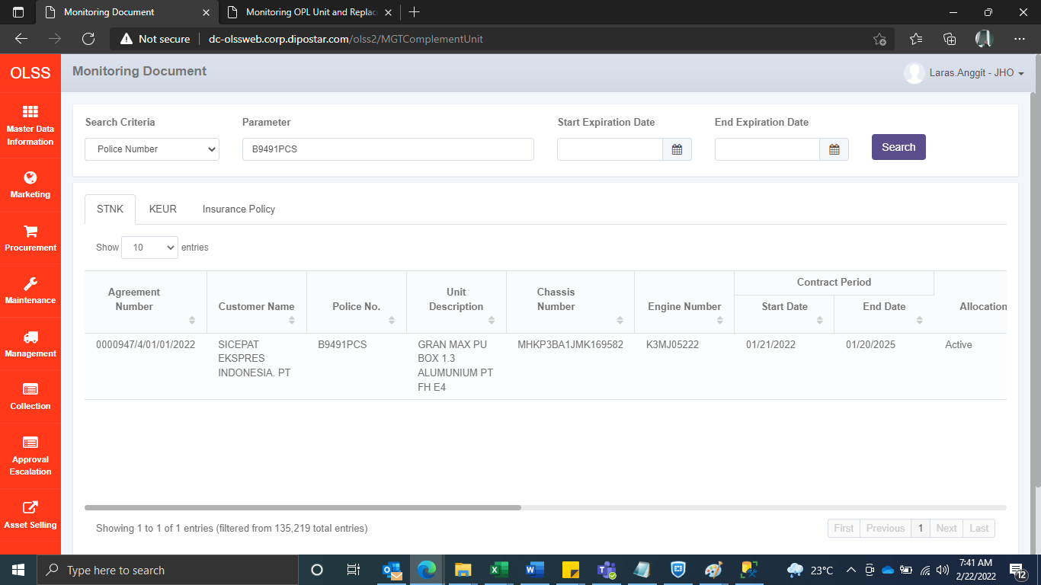


BEFORE






AFTER

